OFFER
Picture | Style Number |  |  | 5 | - | 6 | - | 7 | - | 8 | - | 9 | - | 10 | - | 11 | - | 12 | - | 13 | - | Pairs
 | FI3896B/WB | Fila Womens Disruptor 2 | 5FM00621-021 | 22 | 22 | 56 | 56 | 71 | 45 | 46 | 46 | 21 | 17 | 36 |  | 12 |  |  |  |  |  | 450
 | FI3922FRNW | Fila Womens Disruptor 2 | 5FM00079-616 |  |  | 36 | 36 | 48 | 48 | 48 | 36 | 36 |  | 36 |  |  |  |  |  |  |  | 324
 | FI3896BFRW | Fila Womens Disruptor 2 | 5FM00540-014 |  | 11 | 27 | 18 | 75 | 66 | 144 | 141 | 128 | 58 | 114 |  | 32 |  |  |  |  |  | 814
 | FI3897WFNF | Fila Womens Disruptor 2 | 5FM00542-125 | 43 | 58 | 34 | 23 | 73 | 56 | 39 | 128 | 41 | 21 | 75 |  | 47 |  |  |  |  |  | 638
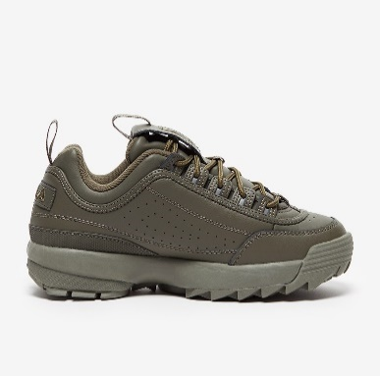 | FI7736DODO | Fila Womens Disruptor 2 | 5FM00695-300 |  |  | 20 | 41 | 65 | 71 | 78 | 56 | 63 | 10 | 34 |  |  |  |  |  |  |  | 438
 | FI7736BSBS | Fila Womens Disruptor 2 | 5FM00695-920 |  |  | 42 | 42 | 91 | 91 | 92 | 45 | 96 |  | 47 |  |  |  |  |  |  |  | 546
 | FI3955WMSW | Fila Womens Disruptor 2 | 5FM00702-103 |  |  | 77 | 76 | 161 | 162 | 165 | 80 | 167 |  | 82 |  |  |  |  |  |  |  | 970
 | FI3955BBRG | Fila Womens Disruptor 2 | 5FM00702-040 |  |  | 98 | 159 | 261 | 261 | 317 | 232 | 242 | 51 | 126 |  |  |  |  |  |  |  | 1747
 |  |  |  |  |  |  |  |  |  |  |  |  |  |  |  |  |  |  |  |  |  | 5927

